Лист1
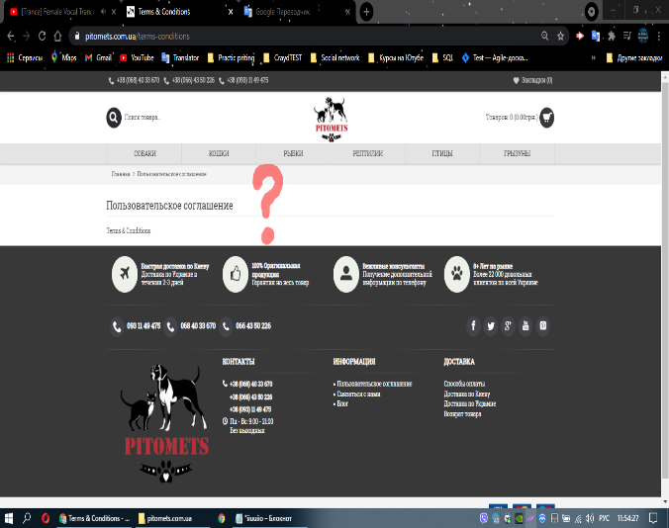
Module name: | The user agreement is empty.
 |  |  |  | Attachment
ID | 000.4 | Designed by: | Lutsenko D
Severity: | High | Designed date: | 2021-04-15
Priopity: | Critical | Environment: | Windows 10 Chrome
Discription: | The user agreement is empty.

Pre-conditions: | URL: https://pitomets.com.ua/
Data for testing:

 | Step | Expected Result | Actual Result
1 | Scroll down the page | The page about the information User Agreement is opened. | The user agreement is empty.
2 | Click on the User Agreement in the Information section.

